Introduction
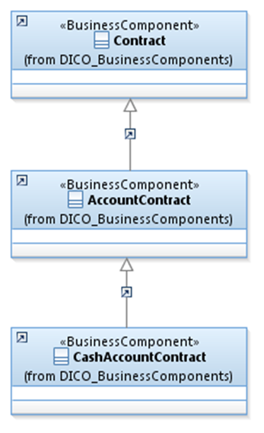
 | Introduction

This document describes the Business Model Components and Elements used by the Money Market Statistical Reporting message definitions.

In the “Business Model” tab, the cells with text in green indicate the business concepts used by the Money Market Statistical Reporting message set

The “Traces” tab shows to which business concepts the Money Market Statistical Reporting message components and message elements trace.

MMSR
